Sheet2
 |  |  |  | 100 | 100 | Incr Paid | Increm ata
2 | 2018-12-24 | 24 | 5.772 | 577 | 477.2 | 4.7720 | 477.20
3 | 24-36 | 36 | 1.529 | 883 | 305.3 | 0.6399 | 305.3388
4 | 36-48 | 48 | 1.187 | 1,048 | 165.0 | 0.5405 | 165.0347556
5 | 48-60 | 60 | 1.0851 | 1,137 | 89.1 | 0.5402 | 89.148509582
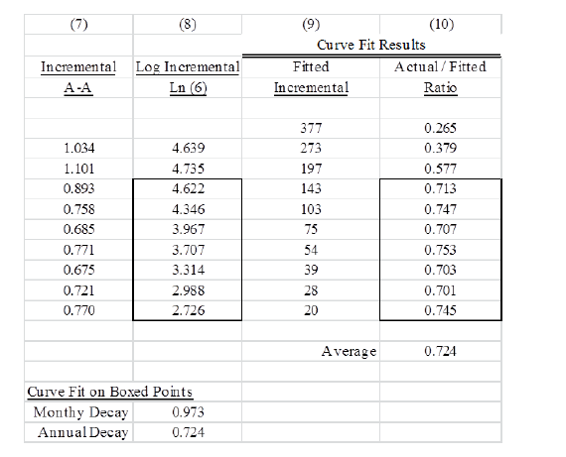
6 | 60-72 | 72 | 1.0424 | 1,185 | 48.2 | 0.5406 | 48.197015564
7 | 72-84 | 84 | 1.022 | 1,211 | 26.1 | 0.5409 | 26.068219776
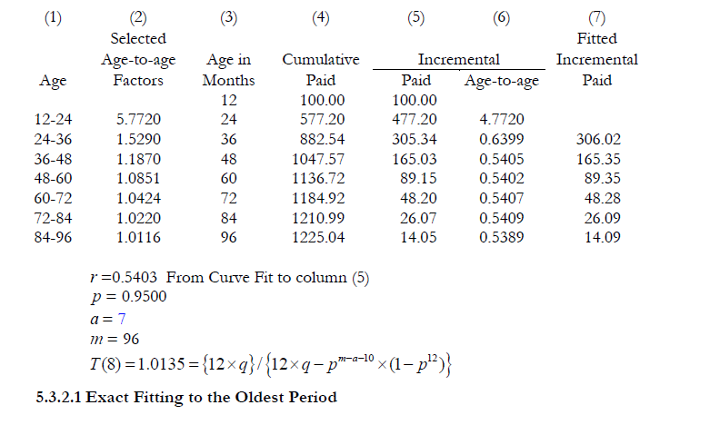
8 | 84-96 | 96 | 1.0116 | 1,225 | 14.0 | 0.5389 | 14.047452686

 |  |  |  | linest | (0.616) | 6.337
 |  |  |  | r | 0.54031308056
 |  |  |  | p | 0.94999311284
 |  |  |  | a | 7
 |  |  |  | m | 96
 |  |  |  | T(8) | 1.0134892031

5.772 | 1.529 | 1.187 | 1.0851 | 1.0424 | 1.022 | 1.0116

